data
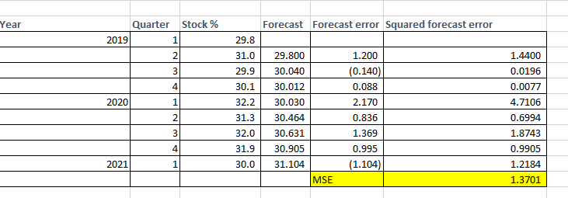
Year | Quarter | Year-Quarter | Stock %
2019 | 1 | 2019-1 | 29.8
2019 | 2 | 2019-2 | 31.0
2019 | 3 | 2019-3 | 29.9
2019 | 4 | 2019-4 | 30.1
2020 | 1 | 2020-1 | 32.2
2020 | 2 | 2020-2 | 31.3
2020 | 3 | 2020-3 | 32.0
2020 | 4 | 2020-4 | 31.9
2021 | 1 | 2021-1 | 30.0

1. Construct a time series plot (line chart) - display your name in the title. What type of pattern exists in the data?
Christina

This graph displays seasonal patterns

2. Develop an exponential smoothing forecast for alpha=.2.

 |  |  |  |  |  |  | alpha | 0.2

Year | Quarter | Stock % | Forecast | Forecast error | Squared forecast error
2019 | 1 | 29.8
 | 2 | 31.0 | 29.800 | 1.200 | 1.4400
 | 3 | 29.9 | 30.040 | (0.140) | 0.0196
 | 4 | 30.1 | 30.012 | 0.088 | 0.0077
2020 | 1 | 32.2 | 30.030 | 2.170 | 4.7106
 | 2 | 31.3 | 30.464 | 0.836 | 0.6994
 | 3 | 32.0 | 30.631 | 1.369 | 1.8743
 | 4 | 31.9 | 30.905 | 0.995 | 0.9905
2021 | 1 | 30.0 | 31.104 | (1.104) | 1.2184
 |  |  |  | MSE | 1.3701
Christina Duggins
 | Stock % | Forecast
2019-1 | 29.8
2019-2 | 31.0
2019-3 | 29.9
2019-4 | 30.1 | 30.233333333
2020-1 | 32.2 | 30.333333333
2020-2 | 31.3 | 30.733333333
2020-3 | 32.0 | 31.2
2020-4 | 31.9 | 31.833333333
2021-1 | 30.0 | 31.733333333
3. Develop a 3- period moving average forecast and show on a line chart the actual and forecasted percentages.

Year | Quarter | Stock % | Forecast | Forecast Error | Absolute value of Forecast error | Squared forecast error
2019 | 2019-1 | 29.8
 | 2019-2 | 31.0
 | 2019-3 | 29.9
 | 2019-4 | 30.1 | 30.233 | (0.13) | 0.13333333333 | 0.017777777778
2020 | 2020-1 | 32.2 | 30.333 | 1.87 | 1.8666666667 | 3.4844444444
 | 2020-2 | 31.3 | 30.733 | 0.57 | 0.56666666667 | 0.32111111111
 | 2020-3 | 32.0 | 31.200 | 0.80 | 0.8 | 0.64
 | 2020-4 | 31.9 | 31.833 | 0.07 | 0.066666666667 | 0.0044444444444
2021 | 2021-1 | 30.0 | 31.733 | (1.73) | 1.7333333333 | 3.0044444444
 |  |  |  |  | MSE | 1.2453703704

4. Calculate MSE for the forecast based on exponential smoothing with alpha =.2 as well as the MSE for the moving average forecast. Would you recommend forecast for the next quarter of 2021 based on 3-period

MSE Average Moving | 1.2453703704 | less than | MSE Smooth =1.3701 |  | this case, Moving average is better bc MSE is smaller than MSE of smoothing

5. What is the forecast of the percentage of stocks in a typical portfolio for the second quarter of 2021 for the method that your are recommending in #4.

Year | Quarter | Stock % | Forecast | Forecast Error | Absolute value of Forecast error | Squared forecast error
2019 | 2019-1 | 29.8 |  |  |  |  | using avg moving chart
 | 2019-2 | 31.0
 | 2019-3 | 29.9
 | 2019-4 | 30.1 | 30.233 | (0.13) | 0.13333333333 | 0.017777777778
2020 | 2020-1 | 32.2 | 30.333 | 1.87 | 1.8666666667 | 3.4844444444
 | 2020-2 | 31.3 | 30.733 | 0.57 | 0.56666666667 | 0.32111111111
 | 2020-3 | 32.0 | 31.200 | 0.80 | 0.8 | 0.64
 | 2020-4 | 31.9 | 31.833 | 0.07 | 0.066666666667 | 0.0044444444444
2021 | 2021-1 | 30.0 | 31.733 | (1.73) | 1.7333333333 | 3.0044444444
 | 2021-2 | 31.0 | 31.300 | (0.30) | 0.3 | 0.09

